Main Dashboard
Team 8's Dashboard - Best Places to Live

Main Dashboard
City Summary
Data Sources
Team Members

Average Salary
 | Total
San Francisco | $96,500
Boston | $91,000
Washington | $85,500
Seattle | $84,500
New York | $84,000
Austin | $81,500
Denver | $80,000
Los Angeles | $80,000
San Diego | $79,500
Houston | $78,000
Chicago | $76,000
Phoenix | $71,000
Average Rent
 | Total
New York | $5,410
San Francisco | $4,800
Los Angeles | $4,301
Boston | $4,224
San Diego | $4,006
Seattle | $3,905
Washington | $3,847
Denver | $2,911
Chicago | $2,895
Austin | $2,636
Phoenix | $2,318
Houston | $2,225
Heathcare Index v/s Expenditure Index
 | Healthcare_Index | Healthcare_Exp_Index
Austin | 68.1 | 125.5
Boston | 71.4 | 131.2
Chicago | 63.9 | 118.9
Denver | 69.9 | 130.8
Houston | 68.4 | 126.6
Los Angeles | 61.1 | 112.6
New York | 62.7 | 116.9
Phoenix | 66.8 | 124.3
San Diego | 66.9 | 123.8
San Francisco | 63.5 | 117.4
Seattle | 68.3 | 127.2
Washington | 66 | 121.2
 | Cities | Tax Rates %
 | Chicago | 10.25%
 | Seattle | 10.25%
 | Los Angeles | 9.50%
 | New York | 8.88%
 | Denver | 8.81%
 | San Francisco | 8.63%
 | Phoenix | 8.60%
 | Austin | 8.25%
 | Houston | 8.25%
 | San Diego | 7.75%
 | Boston | 6.25%
 | Washington | 6.00%

Cost of Living Index
 | Total
Austin | 70.2
Boston | 87.1
Chicago | 82.8
Denver | 79.1
Houston | 67.5
Los Angeles | 84.5
New York | 100
Phoenix | 69.3
San Diego | 83.1
San Francisco | 91.9
Seattle | 85.2
Washington | 84
 | Cities | Crime Index Values
 | Austin | 41.3
 | Boston | 41.2
 | Chicago | 66.2
 | Denver | 46.9
 | Houston | 63.6
 | Los Angeles | 52.9
 | New York | 50.6
 | Phoenix | 53.8
 | San Diego | 41
 | San Francisco | 61.9
 | Seattle | 54.9
 | Washington | 60.7

City Summary
Main Dashboard
City Summary
Data Sources
Team Members

City Summary
 |  |  |  | Img_SanFransisco
Select City
San Francisco

Direct Flights to India
Crime Rate
 |  |  |  |  |  | - San Francisco Chinatown - Golden Gate Bridge - Muir Woods - Fisherman’s Wharf - Yosemite National Park

 | Available |  | 61.9

Cost of Living
Tax Rates
 | 91.9 |  | 8.63%

Temperature
Health Care Ranking

°C
°C
 | 18 | 11 | 24 |  | Click here to see tourist attractions

Information
Main Dashboard
City Summary
Data Sources
Team Members

Best Places to live in USA - Bibliography
Data Metric | Description | Source
Cost of Living | Average monthly bill for utilities | https://www.doxo.com/wp-content/uploads/2024/01/United-States-2023-Utilities-Industry-Household-Spending-doxo-insights-Report.pdf?utm_source=insights
 | Average monthly rent | https://www.rentable.co/rental-data
 | Average salary | https://www.careerbuilder.com/advice/blog/average-salary-by-city
 | Average spending on groceries | https://ktla.com/news/california/study-finds-that-californians-spend-the-most-on-groceries-in-america/
Temperature | Annual temperature for each city | https://www.currentresults.com/Weather/US/average-annual-temperatures-large-cities.php
Crime | Crime Rate Index and Safety Index | United States Crime Rates By City Population (kaggle.com)
Health care | Healthcare Index and Healthcare Safety Index | Health Care in United States (numbeo.com)
Direct Flights to India | Direct Flights from the cities selected to India | We manually made a dataset after condensing the list of cities based on our parameters.
Tax rates | Tax Rates for each city | State Sales Taxes By County, City, and Zip Code (tax-rates.org)
Tourist Attractions | City Wise popular tourist attractions | We manually made a dataset after condensing the list of cities based on our parameters.

Link to Video Demo - | https://drive.google.com/file/d/1MDFvFwyBDNdtHKA8qegdqOYQFNGRg8vm/view?usp=sharing

Team Members
Data Sources
Team Members
Main Dashboard
City Summary

Pavitra Saxena

Rupali Madishetty

Vaishnavi Buddharaju

Combined Data
 | Temperature |  | Rent | Heathcare |  |  | Cost of Living | Tax Rates | Crime Rates |  | Salaries | Flights Data
Cities | High | Low | Avg Rent | Ranking | Healthcare Index | Healthcare Exp Index | Cost of Living Index | Tax Rates | Crime Index | Safety Index | Avg Salary | Direct Flights to India | Tourist Attraction | Images
San Francisco | 18 | 11 | $4,800 | 24 | 63.5 | 117.4 | 91.9 | 8.63% | 61.9 | 38.1 | $96,500 | Available | - San Francisco Chinatown - Golden Gate Bridge - Muir Woods - Fisherman’s Wharf - Yosemite National Park | 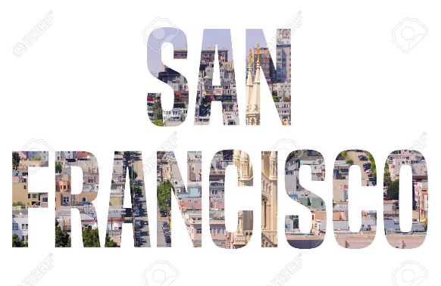 | Img_SanFransisco
Seattle | 16 | 8 | $3,905 | 12 | 68.3 | 127.2 | 85.2 | 10.25% | 54.9 | 45.1 | $84,500 | Not Available | - Space needle - Chihuly garden and glass - Museum of Pop Culture(MoPop) - Seattle Great Wheel - Green Lake | 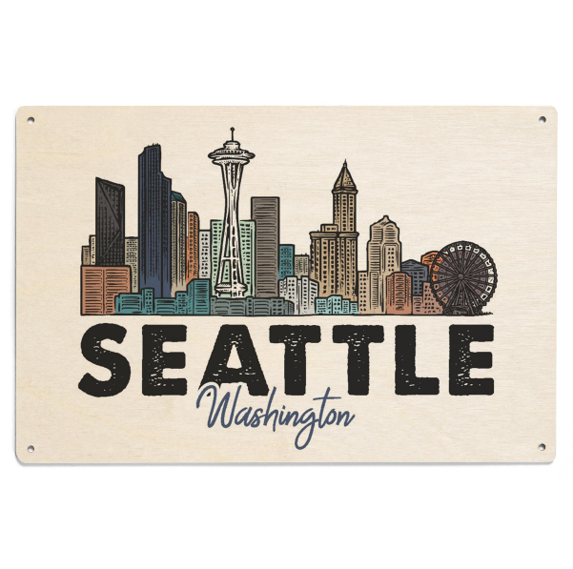 | Img_Seattle
Boston | 15 | 7 | $4,224 | 3 | 71.4 | 131.2 | 87.1 | 6.25% | 41.2 | 58.8 | $91,000 | Not Available | - Fenway Park - Boston Public garden - View Boston - Boston Tea Party Ships and Museum - John F. Kennedy Presidential Museum and Library |  | Img_Boston
New York | 17 | 9 | $5,410 | 26 | 62.7 | 116.9 | 100 | 8.88% | 50.6 | 49.4 | $84,000 | Available | - Times Square - Statue of Liberty - Empire State Building - Brooklyn Bridge - 9/11 Memorial and Museum | 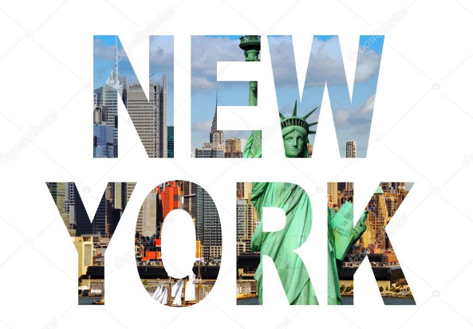 | Img_NewYork
Washington | 20 | 10 | $3,847 | 22 | 66 | 121.2 | 84 | 6.00% | 60.7 | 39.3 | $85,500 | Not Available | - Washington State Ferries - Snoqualmie Falls - Lake Washington - Olympic National Park - Hiram M. Chittenden Locks |  | Img_Wahington
Denver | 19 | 3 | $2,911 | 6 | 69.9 | 130.8 | 79.1 | 8.81% | 46.9 | 53.1 | $80,000 | Not Available | - Denver Botanic Gardens - Denver Zoo - Denver Museum of Nature And Science - Coors Field - Mount Blue Sky |  | Img_Denver
Austin | 27 | 15 | $2,636 | 13 | 68.1 | 125.5 | 70.2 | 8.25% | 41.3 | 58.7 | $81,500 | Not Available | - Texas State Capitol - Barton Springs Pool - LBJ Presidential Library - Lady Bird Lake Hike-and-Bike Trail - The Driskill |  | Img_Austin
Houston | 27 | 17 | $2,225 | 11 | 68.4 | 126.6 | 67.5 | 8.25% | 63.6 | 36.4 | $78,000 | Not Available | - Houston Zoo - Space Center Houston - Hermann Park - The Galleria - Houston Museum of Natural Science |  | Img_Houston
Los Angeles | 24 | 14 | $4,301 | 28 | 61.1 | 112.6 | 84.5 | 9.50% | 52.9 | 47.1 | $80,000 | Not Available | - The Getty - Universal Studios Hollywood - Santa Monica Pier - Universal Citywalk - Disneyland Resort | 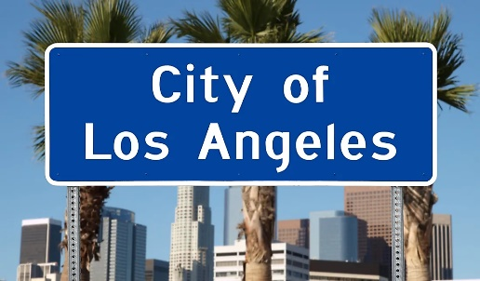 | Img_Losangles
San Diego | 22 | 15 | $4,006 | 17 | 66.9 | 123.8 | 83.1 | 7.75% | 41 | 59 | $79,500 | Not Available | -Legoland San Diego - Seaport Village - Torrey Pines State Natural Reserve - SeaWorld San Diego - Belmont Park |  | Img_SanDiago
Chicago | 16 | 7 | $2,895 | 23 | 63.9 | 118.9 | 82.8 | 10.25% | 66.2 | 33.8 | $76,000 | Available | - Millenium Park - Riverwalk - Navy Pier - Skydeck Chicago - 360 Chicago | 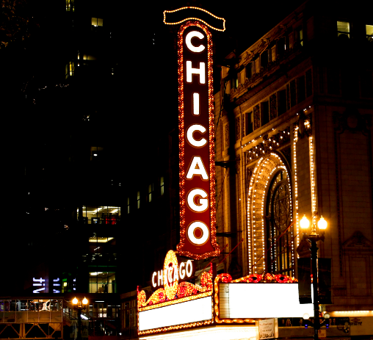 | Img_Chicago
Phoenix | 31 | 18 | $2,318 | 19 | 66.8 | 124.3 | 69.3 | 8.60% | 53.8 | 46.2 | $71,000 | Not Available | - Antelope Canyon - Desert Botanical Garden - Musical Instrument Museum - Camelback Mountain - South Mountain Park - Hall of Flame Museum of Firefighting |  | Img_Phoenix

